Sheet1
Cumulative % Increases in Sinclair Raises Compared to Cumulative COLA/CPI/US Avg Wage Growth
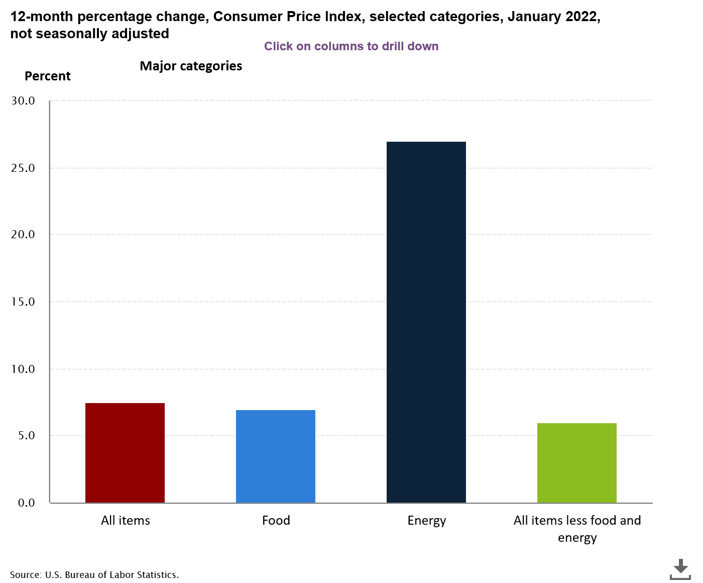
 | % RAISE Avg Sinclair | COLA* | CPI** | Altanta Fed's Wage Growth Tracker*** |  | % RAISE Avg Sinclair Cumulative | COLA Cumulative* | CPI Cumulative** | Altanta Fed's US Wage Growth Cumulative***
2005-12-31 | 2.30% | 4.10% | 3.40% | 4.10% | 12/312005 | 2.30% | 4.10% | 3.40% | 4.10%
2006-12-31 | 3.60% | 3.30% | 3.20% | 4.00% | 12/312006 | 5.90% | 7.40% | 6.60% | 8.10%
2007-12-31 | 3.50% | 2.30% | 2.90% | 4.10% | 12/312007 | 9.40% | 9.70% | 9.50% | 12.20%
2008-12-31 | 1.00% | 5.80% | 3.80% | 3.80% | 12/312008 | 10.40% | 15.50% | 13.30% | 16.00%
2009-12-31 | 1.50% | 0.00% | -0.40% | 1.70% | 12/312009 | 11.90% | 15.50% | 12.90% | 17.70%
2010-12-31 | 1.00% | 0.00% | 1.60% | 1.70% | 12/312010 | 12.90% | 15.50% | 15.50% | 19.40%
2011-12-31 | 3.25% | 3.60% | 3.20% | 2.00% | 12/312011 | 16.15% | 19.10% | 17.70% | 21.40%
2012-12-31 | 2.00% | 1.70% | 2.10% | 2.30% | 12/312012 | 18.15% | 20.80% | 19.80% | 23.70%
2013-12-31 | 1.50% | 1.50% | 1.50% | 2.20% | 12/312013 | 19.65% | 22.30% | 21.60% | 25.90%
2014-12-31 | 1.50% | 1.70% | 1.60% | 2.90% | 12/312014 | 21.15% | 24.00% | 22.90% | 28.80%
2015-12-30 | 2.77% | 0.00% | 0.10% | 3.10% | 12/312015 | 23.92% | 24.00% | 23.00% | 31.90%
2016-12-30 | 1.75% | 0.30% | 1.30% | 3.50% | 12/312016 | 25.67% | 24.30% | 24.30% | 35.40%
2017-12-29 | 2.00% | 2.00% | 2.10% | 2.90% | 12/312017 | 27.67% | 26.30% | 26.40% | 38.30%
2018-12-30 | 2.50% | 2.80% | 2.40% | 3.80% | 12/312018 | 30.17% | 29.10% | 28.80% | 42.10%
2019-12-30 | 2.50% | 1.60% | 1.80% | 3.70% | 12/312019 | 32.67% | 30.70% | 30.60% | 45.80%
2020-12-31 | 0.00% | 1.30% | 1.20% | 3.40% | 12/312020 | 32.67% | 32.00% | 31.80% | 49.20%
2021-12-31 | 2.00% | 5.90% | 4.70% | 4.50% | 12/312021 | 34.67% | 37.90% | 36.50% | 53.70%
12/31/2022**** | 2.00% | 2.90% | 5.50% | 5.10% | 12/31/2022**** | 36.67% | 40.80% | 42.00% | 58.80%
 | 36.67% | 40.80% | 42.00% | 58.80%
Note:

* | https://www.ssa.gov/oact/cola/colaseries.html
** | https://www.usinflationcalculator.com/inflation/consumer-price-index-and-annual-percent-changes-from-1913-to-2008/ |  |  |  |  |  |  |  |  | This Chart depicts the cumulative divergence since 2005 of Sinclair cumulative annual raises compared to cumulative increases in annual COLA, CPI, and US wage growth. While there has been an approximate convergence of Sinclair wage growth compared to the historic COLA and CPI annual increases, 2020 marked a significant divergence from that norm. It's also important to note that the CPI does not include significant cost drivers (like assets or real estate) in its calculation and consistently undervalues the true cost of inflation for the typical family. It's also obvious that compared to average US wage growth, Sinclair continues to fall significantly behind US averages in wage growth.
*** | https://www.atlantafed.org/chcs/wage-growth-tracker
**** | https://vaclaimsinsider.com/cola-increase/ |  |  |  | Estimate on 2023 COLA increase |  |  |  |  |  | This chart from the US Bureau of Labor Statistics shows significant year over cost increases for various categories of goods. Jan 22 is running at a 7.5% increase over last year during the same period. Several forecasters are predicting double digit increases.
**** | https://www.plan.be/databases/17-en-consumer+price+index+inflation+forecasts |  |  |  |  |  |  | Estimate on 2022 Annual CPI

 |  |  |  |  |  |  |  |  |  |  | https://www.bls.gov/cpi/

